Datailed Inquiry Information
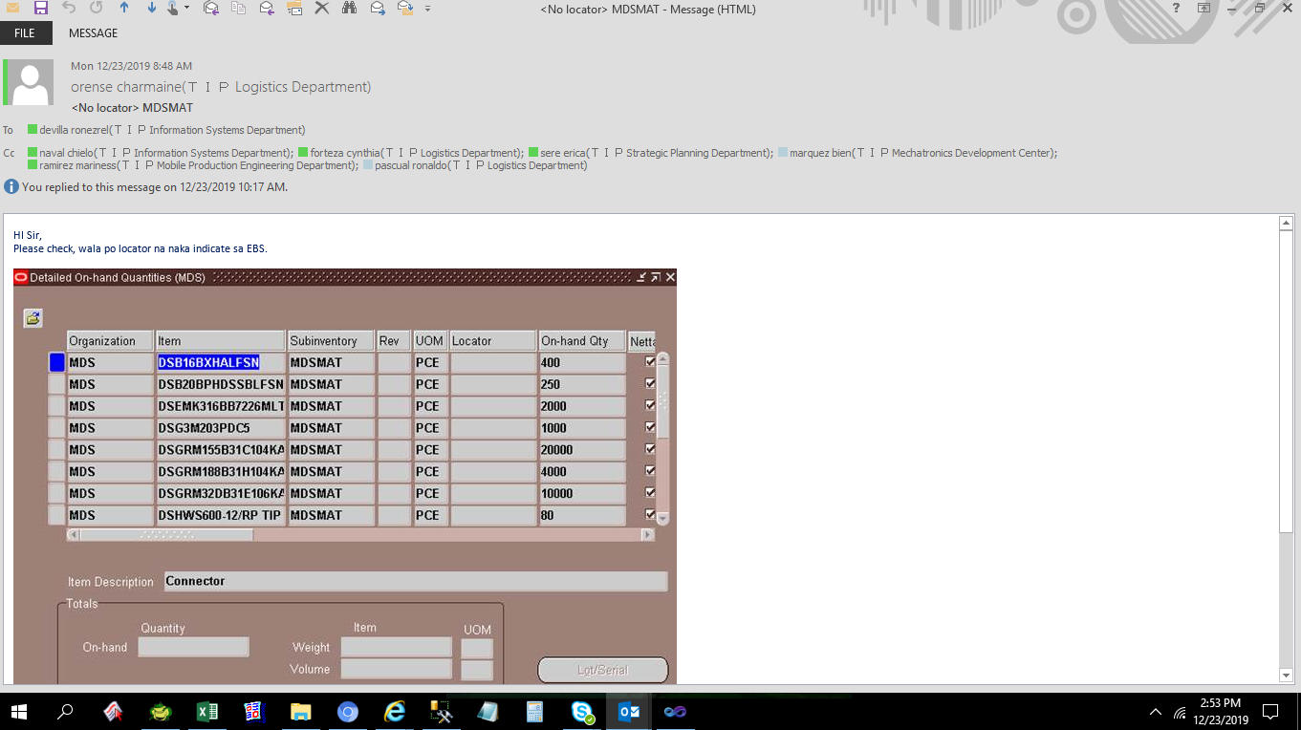
Datailed Inquiry Information

